PROD - Middletown RAC IP's
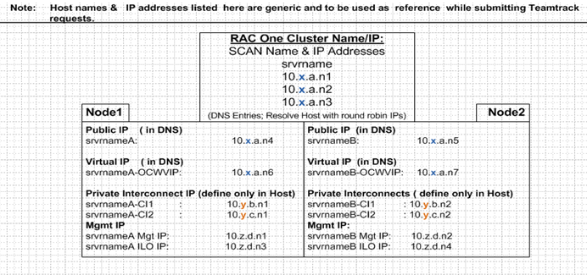

Middletown xhepydbm2ap/2bp

Connection Type | Host Name | IP | Comments
Public -NodeA Prod VLAN 540 | xhepydbm2ap | 157.121.xxx.xx | Need (1) IP VLAN 541 & DNS subnet mask 255.255.254.0, gateway 157.121.xxx.1
Public - NodeB Prod VLAN 540 | xhepydbm2bp | 157.121.xxx.xx | Need (1) IP VLAN 541 & DNS subnet mask 255.255.254.0, gateway 157.121.xxx.1

VIP - NodeA Prod Vlan 540 | xhepydbm2ap-vip | 157.121.xxx.xx | Need (1) IP VLAN 541 & DNS subnet mask 255.255.254.0, gateway 157.121.xxx.1
VIP - NodeB Prod VLAN 540 | xhepydbm2bp-vip | 157.121.xxx.xx | Need (1) IP VLAN 541 & DNS subnet mask 255.255.254.0, gateway 157.121.xxx.1

SCAN (3 IP's) Prod VLAN 540 | xhepydbm2p-scan | 157.121.xxx.xx 157.121.xxx.xx 157.121.xxx.xx | Need (3) IP's VLAN 541 in DNS resolve host with Round Robin subnet mask 255.255.254.0, gateway 157.121.xxx.1

Private Interconnect NodeA VLAN-A Private Vlan 2248 | xhepydbm2ap-priv-ci1 | 192.168.218.53 | Need (1) IP Private Vlan 2248 No DNS subnetmask 255.255.254.0, no gateway
Private Interconnect NodeA VLAN-B Private Vlan 2250 | xhepydbm2ap-priv-ci2 | 192.168.150.53 | Need (1)IP Private Vlan 2250, No DNS subnetmask 255.255.254.0, no gateway

Private Interconnect NodeB VLAN-A Private Vlan 2248 | xhepydbm2bp-priv-ci1 | 192.168.218.30 | Need (1) IP Private Vlan 2248 No DNS subnetmask 255.255.254.0, no gateway
Private Interconnect NodeB VLAN-B Private Vlan 2250 | xhepydbm2bp-priv-ci2 | 192.168.150.35 | Need (1)IP Private Vlan 2250, No DNS subnetmask 255.255.254.0, no gateway

Middletown xhedwdbm2ap/2bp

Connection Type | Host Name | IP | Comments
Public -NodeA Prod VLAN 540 | xhedwdbm2ap | 157.121.xxx.xx | Need (1) IP VLAN 541 & DNS subnet mask 255.255.254.0, gateway 157.121.xxx.1
Public - NodeB Prod VLAN 540 | xhedwdbm2bp | 157.121.xx.xx | Need (1) IP VLAN 541 & DNS subnet mask 255.255.254.0, gateway 157.121.xxx.1

VIP - NodeA Prod Vlan 540 | xhedwdbm2ap-vip | 157.121.xxx.xx | Need (1) IP VLAN 541 & DNS subnet mask 255.255.254.0, gateway 157.121.xxx.1
VIP - NodeB Prod VLAN 540 | xhedwdbm2bp-vip | 157.121.xxx.xx | Need (1) IP VLAN 541 & DNS subnet mask 255.255.254.0, gateway 157.121.xxx.1

SCAN (3 IP's) Prod VLAN 540 | xhedwdbm2p-scan | 157.121.xxx.xx 157.121.xxx.xx 157.121.xxx.xx | Need (3) IP's VLAN 541 in DNS resolve host with Round Robin subnet mask 255.255.254.0, gateway 157.121.xxx.1

Private Interconnect NodeA VLAN-A Private Vlan 2248 | xhedwdbm2ap-priv-ci1 | 192.168.218.53 | Need (1) IP Private Vlan 2248 No DNS subnetmask 255.255.254.0, no gateway
Private Interconnect NodeA VLAN-B Private Vlan 2250 | xhedwdbm2ap-priv-ci2 | 192.168.150.53 | Need (1)IP Private Vlan 2250, No DNS subnetmask 255.255.254.0, no gateway

Private Interconnect NodeB VLAN-A Private Vlan 2248 | xhedwdbm2bp-priv-ci1 | 192.168.218.30 | Need (1) IP Private Vlan 2248 No DNS subnetmask 255.255.254.0, no gateway
Private Interconnect NodeB VLAN-B Private Vlan 2250 | xhedwdbm2bp-priv-ci2 | 192.168.150.35 | Need (1)IP Private Vlan 2250, No DNS subnetmask 255.255.254.0, no gateway

